Sheet1
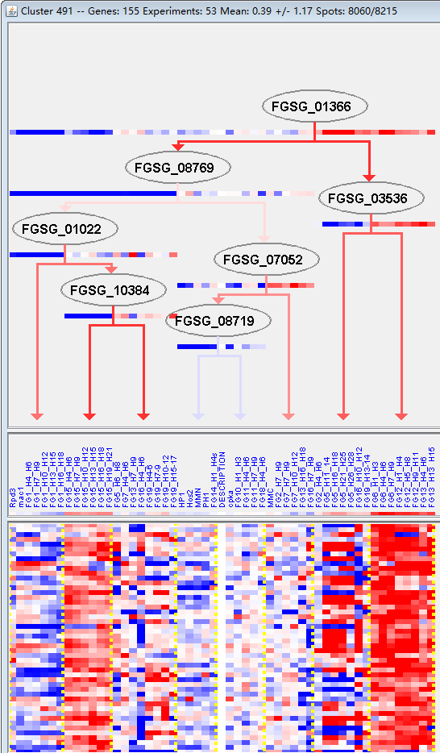
k | Filter | FUNCTIONAL CATEGORY | abs SET | rel SET | genes SET | abs GENOME | rel GENOME | rel SET/rel GENOME | P-VALUE | Bonferroni_corr | FDR
20.09.18.07 non-vesicular cellular import | 11 | 8.27 | FGSG_00015 FGSG_00161 FGSG_01066 FGSG_01484 FGSG_01814 FGSG_11552 FGSG_03697 FGSG_03646 FGSG_08169 FGSG_11087 FGSG_13866 | 278 | 2.01 | 4.114427861 | 7.68E-05
32.10.07 degradation / modification of foreign (exogenous) polysaccharides | 3 | 2.25 | FGSG_03908 FGSG_04864 FGSG_07794 | 31 | 0.22 | 10.22727273 | 0.003212545
20.09.18 cellular import | 12 | 9.02 | FGSG_00015 FGSG_00161 FGSG_01066 FGSG_01484 FGSG_01814 FGSG_11552 FGSG_03697 FGSG_03646 FGSG_08169 FGSG_11087 FGSG_13866 FGSG_11475 | 519 | 3.75 | 2.405333333 | 0.004300107
20.03 transport facilities | 16 | 12 | FGSG_00015 FGSG_00541 FGSG_01066 FGSG_01484 FGSG_01814 FGSG_01997 FGSG_11552 FGSG_03772 FGSG_03646 FGSG_05333 FGSG_06462 FGSG_09191 FGSG_09329 FGSG_11087 FGSG_13866 FGSG_11475 | 808 | 5.84 | 2.054794521 | 0.004691499
20.01.23 allantoin and allantoate transport | 4 | 3 | FGSG_01814 FGSG_11552 FGSG_03646 FGSG_11087 | 75 | 0.54 | 5.555555556 | 0.005873009
20.01.25 vitamine/cofactor transport | 4 | 3 | FGSG_01814 FGSG_03646 FGSG_11087 FGSG_11475 | 97 | 0.7 | 4.285714286 | 0.014250529
20.01 transported compounds (substrates) | 24 | 18 | FGSG_00015 FGSG_00161 FGSG_00541 FGSG_01066 FGSG_01484 FGSG_01814 FGSG_01997 FGSG_11552 FGSG_03772 FGSG_03697 FGSG_03646 FGSG_05333 FGSG_05983 FGSG_06462 FGSG_06528 FGSG_08169 FGSG_09191 FGSG_09329 FGSG_10143 FGSG_10417 FGSG_10606 FGSG_11087 FGSG_13866 FGSG_11475 | 1597 | 11.5 | 1.565217391 | 0.017375662
20.03.25 ABC transporters | 4 | 3 | FGSG_00541 FGSG_01997 FGSG_03772 FGSG_09329 | 106 | 0.76 | 3.947368421 | 0.019134461
01.05.03 polysaccharide metabolism | 7 | 5.26 | FGSG_03908 FGSG_04864 FGSG_05825 FGSG_05983 FGSG_07794 FGSG_09159 FGSG_10708 | 291 | 2.1 | 2.504761905 | 0.022406566
01.05.05 C-1 compound metabolism | 2 | 1.5 | FGSG_07210 FGSG_08148 | 25 | 0.18 | 8.333333333 | 0.023845362
20.01.01.07 anion transport | 3 | 2.25 | FGSG_01066 FGSG_09191 FGSG_11475 | 65 | 0.47 | 4.787234043 | 0.02465564
32.05.01 resistance proteins | 5 | 3.75 | FGSG_00541 FGSG_01997 FGSG_03772 FGSG_07636 FGSG_09329 | 172 | 1.24 | 3.024193548 | 0.025279215
01.02.02.09 catabolism of nitrogenous compounds | 2 | 1.5 | FGSG_06528 FGSG_11132 | 28 | 0.2 | 7.5 | 0.029489493
01.20.01.01 metabolism of secondary monosaccharides | 1 | 0.75 | FGSG_04247 | 4 | 0.02 | 37.5 | 0.037930622
32.10 degradation / modification of foreign (exogenous) compounds | 3 | 2.25 | FGSG_03908 FGSG_04864 FGSG_07794 | 77 | 0.55 | 4.090909091 | 0.038025149
20.01.03 C-compound and carbohydrate transport | 7 | 5.26 | FGSG_00015 FGSG_01484 FGSG_03697 FGSG_09191 FGSG_11087 FGSG_13866 FGSG_11475 | 332 | 2.4 | 2.191666667 | 0.041383144
01.02 nitrogen, sulfur and selenium metabolism | 7 | 5.26 | FGSG_00144 FGSG_01066 FGSG_02299 FGSG_06528 FGSG_07590 FGSG_11132 FGSG_11475 | 336 | 2.43 | 2.164609053 | 0.04366446
32.07.05 detoxification by export | 4 | 3 | FGSG_00541 FGSG_01997 FGSG_03772 FGSG_09329 | 139 | 1 | 3 | 0.045173566
01.01.09.01.01 biosynthesis of glycine | 2 | 1.5 | FGSG_05983 FGSG_07210 | 36 | 0.26 | 5.769230769 | 0.046772519
10.01.09.01 DNA methylation | 1 | 0.75 | FGSG_08058 | 5 | 0.03 | 25 | 0.047187982

20.09.18.07 非囊泡细胞导入
32.10.07外源多糖的降解/修饰
20.09.18细胞导入
20.03运输工具
20.01.23尿囊素和尿囊素转运
20.01.25维生素/代数余子式传输
20.01运输化合物(基板)
20.03.25 ABC转运蛋白
01.05.03多糖代谢
01.05.05C- 1化合物代谢
20.01.01.07离子传输
32.05.01抗性蛋白
01.02.02.09含氮化合物的分解代谢
01.20.01.01次生单糖代谢
32.10外源性化合物的降解/修饰
20.01.03碳化合物和碳水化合物运输。
01.02氮、硫、硒代谢
32.07.05解毒的出口
01.01.09.01.01甘氨酸的生物合成
10.01.09.01 DNA甲基化

